T-shirts

Crewneck T-shirt

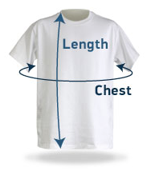
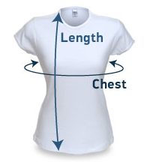
Men's Size Scale
 | XS | SM | MD | LG | XL | XXL | 3XL | 4XL
Chest (circumference) | 35 | 37 | 40 | 44 | 48 | 52 | 55 | 58
Body Length | 25 | 28 | 29 | 30 | 31 | 32 | 33 | 33
Body Length (SC) cut | 26 | 29 | 30 | 31 | 32 | 33 | 34 | 34

Women's Size Scale | 2 | 3 | 0 | 4 | 4 | 2 | 2 | 2
 | XXS | XS | SM | MD | LG | XL | XXL | 3XL
Chest (circumference) | 29 | 31 | 34 | 38 | 42 | 44 | 46 | 48
(SC) cut + 1.5" shoulder width
Body Length | 24 | 25 | 26 | 27 | 27.5 | 28 | 28.5 | 29

Youth Size Scale
 | 2 | 4 | 6 | Y-SM | Y-MD | Y-LG
Chest | 22 | 24 | 26 | 29 | 31 | 34
Body Length | 15 | 16 | 17.5 | 21 | 22 | 24

